sales by person
Row Labels | Sum of Amount
Australia | 168679
Canada | 237944
India | 252469
New Zealand | 218813
UK | 173530
USA | 189434
Grand Total | 1240869

Row Labels | Sum of Amount
Barr Faughny | 123949
Brien Boise | 98084
Carla Molina | 98210
Ches Bonnell | 149975
Curtice Advani | 130697
Gigi Bohling | 165725
Gunar Cockshoot | 106834
Husein Augar | 132580
Oby Sorrel | 83216
Ram Mahesh | 151599
Grand Total | 1240869

Row Labels | Sum of Amount
Baker's Choco Chips | 70273
Caramel Stuffed Bars | 72373
Choco Coated Almonds | 71967
Organic Choco Syrup | 69461
Peanut Butter Cubes | 69160
Grand Total | 353234

Sum of Amount
1240869 | 1,240,869

Sum of Unit
45660 | 45,660

product
Row Labels | Sum of Amount
70% Dark Bites | 10381
Almond Choco | 11900
Baker's Choco Chips | 14826
Choco Coated Almonds | 12852
Eclairs | 14777
Grand Total | 64736

Row Labels | Sum of Amount
Curtice Advani | 130697
Grand Total | 130697

geography
Product | (All)
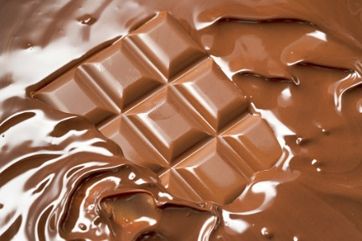
Row Labels | Sum of Unit | Sum of Amount | Sum of Amount2
Barr Faughny | 4110 | $123,949 | 9.99%
Brien Boise | 4704 | $98,084 | 7.90%
Carla Molina | 3867 | $98,210 | 7.91%
Ches Bonnell | 5295 | $149,975 | 12.09%
Curtice Advani | 5925 | $130,697 | 10.53%
DARK CHOCOLATE'S
Gigi Bohling | 3669 | $165,725 | 13.36%
Gunar Cockshoot | 5007 | $106,834 | 8.61%
Husein Augar | 4554 | $132,580 | 10.68%
Oby Sorrel | 3843 | $83,216 | 6.71%
Ram Mahesh | 4686 | $151,599 | 12.22%
Grand Total | 45660 | $1,240,869 | 100.00%

Row Labels | Sum of Unit | Sum of Amount | Sum of Amount2
Barr Faughny | 4110 | $123,949 | 9.99%
Brien Boise | 4704 | $98,084 | 7.90%
Carla Molina | 3867 | $98,210 | 7.91%
Ches Bonnell | 5295 | $149,975 | 12.09%
Curtice Advani | 5925 | $130,697 | 10.53%
Gigi Bohling | 3669 | $165,725 | 13.36%
Gunar Cockshoot | 5007 | $106,834 | 8.61%
Husein Augar | 4554 | $132,580 | 10.68%
Oby Sorrel | 3843 | $83,216 | 6.71%
Ram Mahesh | 4686 | $151,599 | 12.22%
Grand Total | 45660 | $1,240,869 | 100.00%

Row Labels | Sum of Unit | Sum of Amount | Sum of Amount2
Barr Faughny | 4110 | $123,949 | 9.99%
Brien Boise | 4704 | $98,084 | 7.90%
Carla Molina | 3867 | $98,210 | 7.91%
Ches Bonnell | 5295 | $149,975 | 12.09% |  |  | Row Labels | Sum of Unit | Sum of Amount | Sum of Amount2
Curtice Advani | 5925 | $130,697 | 10.53% |  |  | Barr Faughny | 4110 | $123,949 | 9.99%
Gigi Bohling | 3669 | $165,725 | 13.36% |  |  | Brien Boise | 4704 | $98,084 | 7.90%
Gunar Cockshoot | 5007 | $106,834 | 8.61% |  |  | Carla Molina | 3867 | $98,210 | 7.91%
Husein Augar | 4554 | $132,580 | 10.68% |  |  | Ches Bonnell | 5295 | $149,975 | 12.09%
Oby Sorrel | 3843 | $83,216 | 6.71% |  |  | Curtice Advani | 5925 | $130,697 | 10.53%
Ram Mahesh | 4686 | $151,599 | 12.22% |  |  | Gigi Bohling | 3669 | $165,725 | 13.36%
Grand Total | 45660 | $1,240,869 | 100.00% |  |  | Gunar Cockshoot | 5007 | $106,834 | 8.61%
 |  |  |  |  |  | Husein Augar | 4554 | $132,580 | 10.68%
 |  |  |  |  |  | Oby Sorrel | 3843 | $83,216 | 6.71%
 |  |  |  |  |  | Ram Mahesh | 4686 | $151,599 | 12.22%

 |  | Row Labels | Sum of Unit | Sum of Amount | Sum of Amount2
 |  | Barr Faughny | 4110 | 123949 | 0.099888868204
 |  | Brien Boise | 4704 | 98084 | 0.079044605031
 |  | Carla Molina | 3867 | 98210 | 0.079146146773
 |  | Ches Bonnell | 5295 | 149975 | 0.12086287916
 |  | Curtice Advani | 5925 | 130697 | 0.10532699262
 |  | Gigi Bohling | 3669 | 165725 | 0.13355559692
 |  | Gunar Cockshoot | 5007 | 106834 | 0.0860961149
 |  | Husein Augar | 4554 | 132580 | 0.10684447754
 |  | Oby Sorrel | 3843 | 83216 | 0.067062679461
 |  | Ram Mahesh | 4686 | 151599 | 0.12217163939
 |  | Grand Total | 45660 | 1240869 | 1

dashboard
Sales By Country's

Total Amount
Total Units
 | Total
Australia | 168679
Canada | 237944
India | 252469
New Zealand | 218813
UK | 173530
USA | 189434



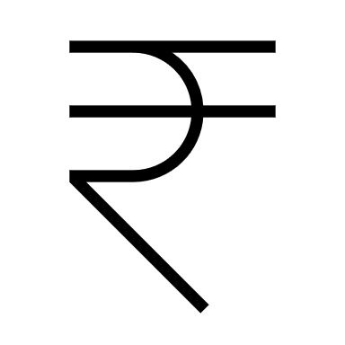
12,40,869
45,660

DARK CHOCOLATE

Top 5 Salesperson's
'Dark Chocolate'
Guarantees to leave 'CHOCOLATE
SIGNATURE' in your heart
Contact US
web: www.darkchoco.in
help desk: 198
Top 5 Product's

 | Total
Baker's Choco Chips | 70273
Caramel Stuffed Bars | 72373
Choco Coated Almonds | 71967
Organic Choco Syrup | 69461
Peanut Butter Cubes | 69160
 | Total
Barr Faughny | 123949
Brien Boise | 98084
Carla Molina | 98210
Ches Bonnell | 149975
Curtice Advani | 130697
Gigi Bohling | 165725
Gunar Cockshoot | 106834
Husein Augar | 132580
Oby Sorrel | 83216
Ram Mahesh | 151599

